工作表1
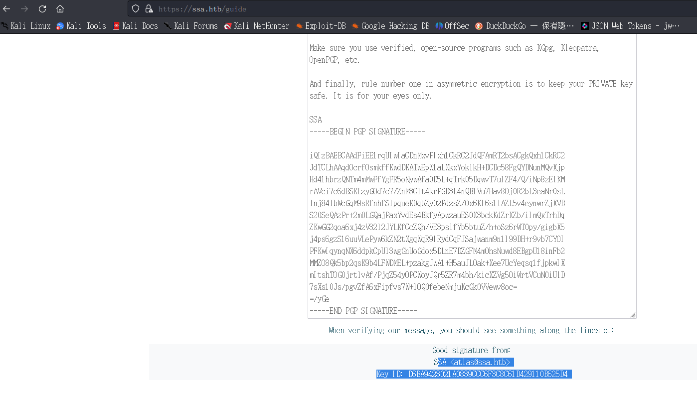
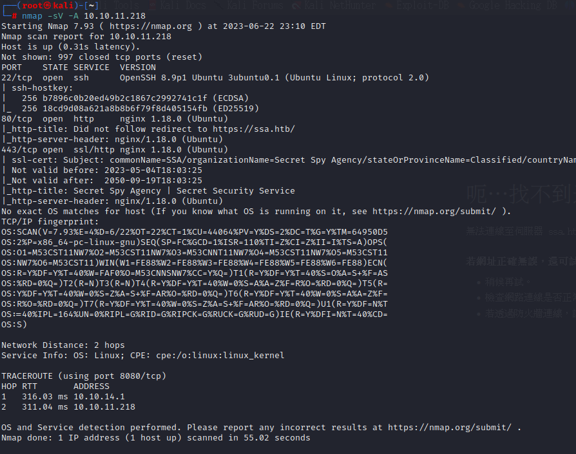

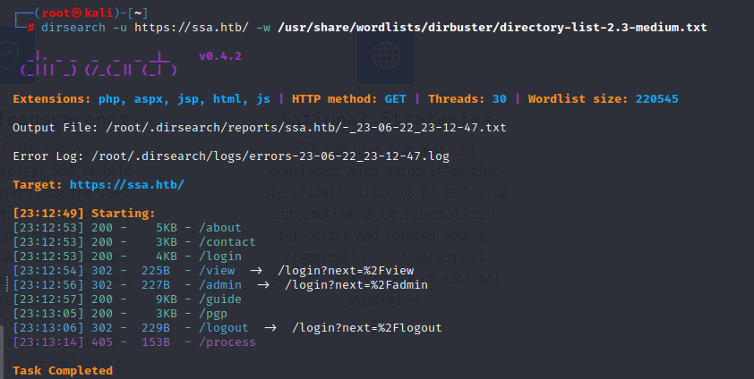

 |  |  | pub rsa3072 2023-06-24 [SC] [expires: 2025-06-23]
 | 參考網站 | https://blog.csdn.net/arv002/article/details/114322941 | 2940B256312B18346E4CCADED69729DFCF299E6A
發現gpg 的加密， |  | https://linuxhint.com/generate-pgp-keys-gpg/ | uid maker <maker@test.com>
 |  | https://guzhongren.github.io/2021/04/%E5%AF%BC%E5%87%BA%E5%B9%B6%E4%BF%9D%E5%AD%98gpg%E5%85%AC%E5%AF%86%E9%92%A5/ | sub rsa3072 2023-06-24 [E] [expires: 2025-06-23]

